Cover
45 Degree Twist Stop Block

Part Number | SO Number | Material | CAM Package | Last Reviewed By | Review Date | Current Program Revision |  | Total Runtime
TK-3424-045 | 26-0099 | A2 Tool Steel | Mastercam | Damien McDaniel | 2026-01-22 | Rev. 0 |  | 12.25 hrs
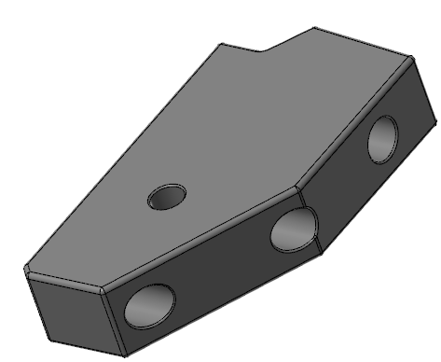 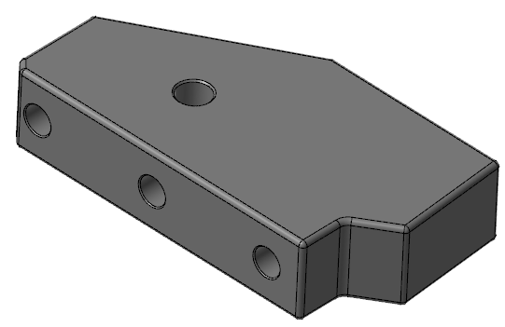

 |  |  |  |  |  |  | Program Level
 |  |  |  |  |  |  | 1

 |  |  |  |  |  |  | Unproven

FRM-PRD-33 - Rev. A | import_test

Primary Operation 1
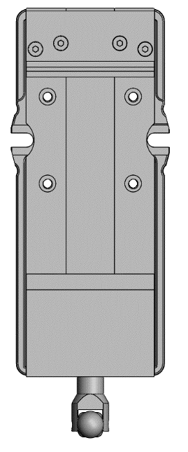

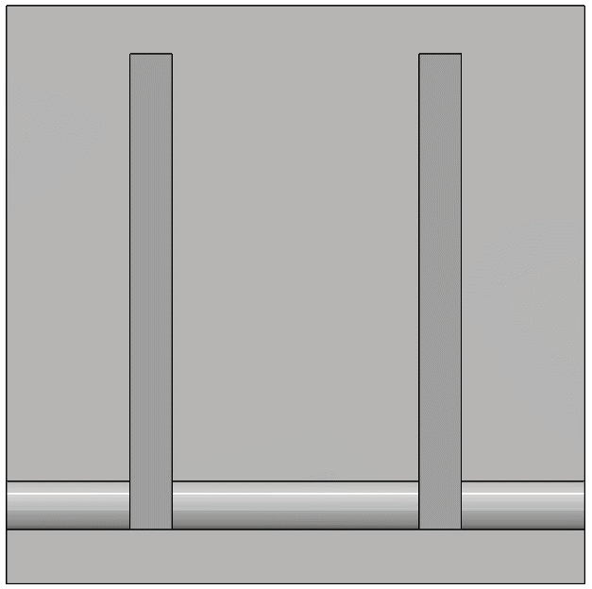
Primary Operation 1

Program Information |  |  |  |  |  |  |  |  |  |  | Part Setup View
Engineer |  | Operation Description |  |  | Machine Type |  | Program Name |  | Operation Runtime |  | 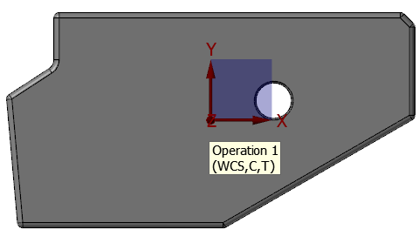
Damien McDaniel |  | Pre heat treat Profile and Hole |  |  | VMC |  | A-TK-3424-045 |  | 2 hrs
Part Setup Information
Axis | Program Datum |  |  | Machine Coordinates |  |  | Operator Initials |  | Date
X | Center of stock
Y | Center of stock
Z | Top after skimming flat
A/B | N/A
W | N/A
Fixture | Vise |  |  | Fixturing Notes | Atleast 2.05" Out Of Vise / Drills through 2.47" deep
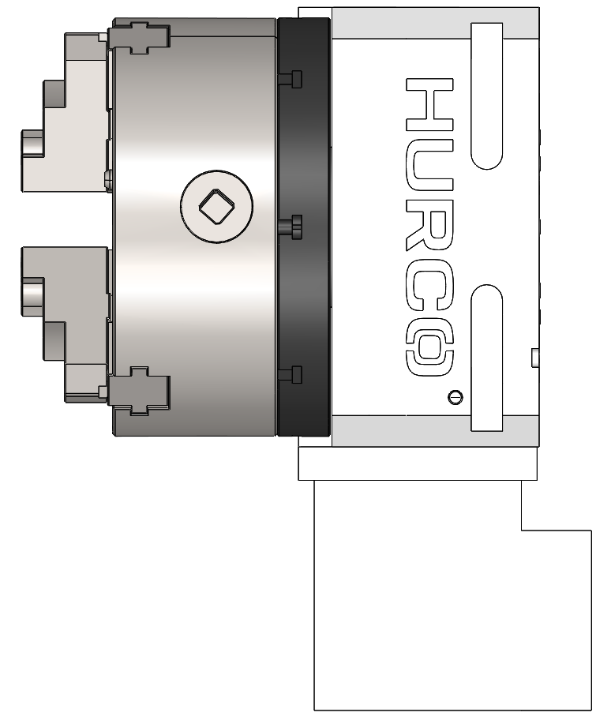
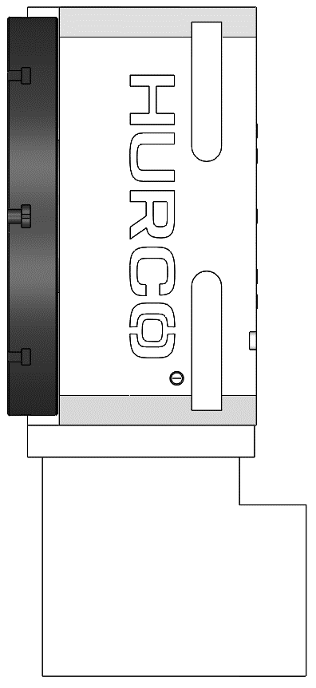

Program Adjustments
Program Name |  | Adjustments Made |  |  |  |  |  | Date & Time |  | Initials

Compensation Programs
Order | Program Name |  |  |  | Tool # | Per Side Comp. |  | Date & Time |  | Initials
1
2
3
4 |  |  |  |  |  |  |  |  |  |  | FRONT
5
Tooling Information |  |  |  |  |  |  |  |  |  |  |  |  | Tool Setup
Tool # | Description |  |  |  | Corner | Stickout | Runout Req. |  | Holder Type |  | Cooling | Runtime | Notes | Preset | Runout | Initials | Date
9 | ø2" Mitsubishi AJX Feedmill |  |  |  | .118r | 2.5" | N/A |  | Arbor |  | Air Blast | 50 min
25 | .705" Iscar Sumocham Drill |  |  |  | N/A | 3.25" | N/A |  | Weldon |  | Flood Coolant | 1 min
1 | ø5/8" Mitsubishi AJX Feedmill |  |  |  | .078r | 2.5" | N/A |  | Weldon / Collet |  | Air Blast | 10 min
Note Box
17 | ø1" Millstar / OSG Bullmill |  |  |  | .06r | 4.2" | .002 |  | Collet / Shrinkfit |  | Flood Coolant | 52 min
11 | ø3/8" Millstar / OSG Bullmill |  |  |  | .06r | 3" | .002 |  | Collet / Shrinkfit |  | Flood Coolant | 5 min

General Notes |  |  |  |  |  |  |  |  |  |  |  |  |  | Request Assistance |  | Program Feedback
We are leaving the outside of part and the .787" hole heavy to finish after heat treat. |  |  |  |  |  |  |  |  |  |  |  |  |  |  |  | 

FRM-PRD-33 - Rev. A |  |  | import_test |  |  |  |  |  |  |  |  |  |  |  | 26-0099

Primary Operation 2
Primary Operation 2

Program Information |  |  |  |  |  |  |  |  |  |  | Part Setup View
Engineer |  | Operation Description |  |  | Machine Type |  | Program Name |  | Operation Runtime |  | 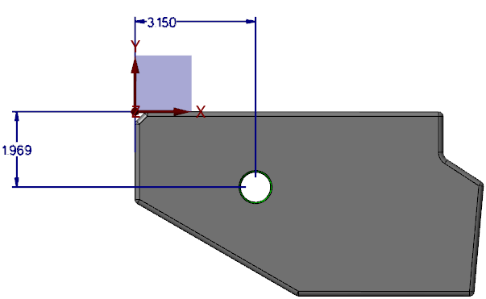
Damien McDaniel |  | Profile And Chamfer |  |  | VMC |  | B-TK-3424-045 |  | 13 min
Part Setup Information
Axis | Program Datum |  |  | Machine Coordinates |  |  | Operator Initials |  | Date
X | Left Edge (SEE NOTE)
Y | Back Edge (SEE NOTE)
Z | Top after decking to .02" heavy
A/B | N/A
W | N/A
Fixture | Vise |  |  | Fixturing Notes | Front Stays Front / .3" Out of vise after decking
Program Adjustments
Program Name |  | Adjustments Made |  |  |  |  |  | Date & Time |  | Initials

Swing to find center of thru hole and then move the distances provided to set your X and Y. Double check locations to the print

Compensation Programs
Order | Program Name |  |  |  | Tool # | Per Side Comp. |  | Date & Time |  | Initials
1
2
3
4 |  |  |  |  |  |  |  |  |  |  | FRONT
5
Tooling Information |  |  |  |  |  |  |  |  |  |  |  |  | Tool Setup
Tool # | Description |  |  |  | Corner | Stickout | Runout Req. |  | Holder Type |  | Cooling | Runtime | Notes | Preset | Runout | Initials | Date
9 | ø2" Mitsubishi AJX Feedmill |  |  |  | .118r | 2.5" | N/A |  | Arbor |  | Air Blast | 4 min
17 | ø1" Millstar / OSG Bullmill |  |  |  | .06r | 4.2" | .002 |  | Collet / Shrinkfit |  | Flood Coolant | 8 min
11 | ø3/8" Millstar / OSG Bullmill |  |  |  | .06r | 3" | .002 |  | Collet / Shrinkfit |  | Flood Coolant | 1 min
19 | ø.315 Mitubishi Chamfer Mill |  |  |  | N/A | 1.5" | N/A |  | Weldon / Collet |  | Air Blast | 1 min

General Notes |  |  |  |  |  |  |  |  |  |  |  |  |  | Request Assistance |  | Program Feedback

FRM-PRD-33 - Rev. A |  |  | import_test |  |  |  |  |  |  |  |  |  |  |  | 26-0099

Secondary Operation (2)
Secondary Operation

Operation Information
Workstation | Summary | Next Operation
Milling | Milling | Heat Treat
Operation Description
TEST

Optional Graphics
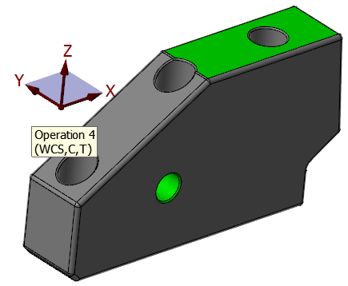

FRM-PRD-33 - Rev. A | import_test | 26-0099

Primary Operation 3
Primary Operation 3

Program Information |  |  |  |  |  |  |  |  |  |  | Part Setup View
Engineer |  | Operation Description |  |  | Machine Type |  | Program Name |  | Operation Runtime |  | 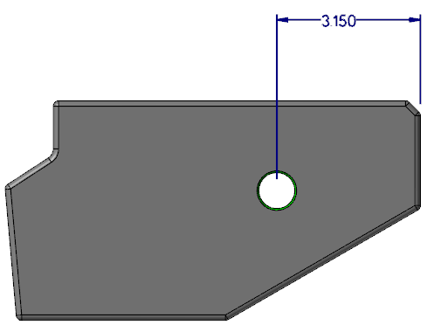
Damien McDaniel |  | Holes |  |  | VMC |  | C-TK-3424-045 |  | 36 min
Part Setup Information
Axis | Program Datum |  |  | Machine Coordinates |  |  | Operator Initials |  | Date
X | SEE NOTE!
Y | Center of part
Top
Z | Top of part
A/B | N/A
W | N/A
Fixture | Vise |  |  | Fixturing Notes | Orient as shown / Atleast .25" out of vise
Program Adjustments
Program Name |  | Adjustments Made |  |  |  |  |  | Date & Time |  | Initials

Front view for X datum only!! Use gauge pin to find center of thru hole in X then move the distance provided to set X ZERO. Verify distance with print!

Compensation Programs
Order | Program Name |  |  |  | Tool # | Per Side Comp. |  | Date & Time |  | Initials
1
2
3
4 |  |  |  |  |  |  |  |  |  |  | FRONT
5
Tooling Information |  |  |  |  |  |  |  |  |  |  |  |  | Tool Setup
Tool # | Description |  |  |  | Corner | Stickout | Runout Req. |  | Holder Type |  | Cooling | Runtime | Notes | Preset | Runout | Initials | Date

50 | .500" Solid Bull Endmill |  |  |  | .06r | 2.5" | N/A |  | Collet |  | Flood Coolant | 25 min | in tool bin
11 | ø3/8" Millstar / OSG Bullmill |  |  |  | .06r | 3" | .002 |  | Collet / Shrinkfit |  | Flood Coolant | 11 min

General Notes |  |  |  |  |  |  |  |  |  |  |  |  |  | Request Assistance |  | Program Feedback
We are cutting holes to size before heat treat so be sure to measure them!

FRM-PRD-33 - Rev. A |  |  | import_test |  |  |  |  |  |  |  |  |  |  |  | 26-0099

Primary Operation 4
Primary Operation 4

Program Information |  |  |  |  |  |  |  |  |  |  | Part Setup View
Engineer |  | Operation Description |  |  | Machine Type |  | Program Name |  | Operation Runtime |  | 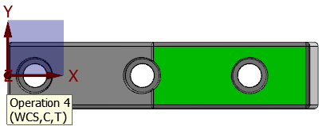 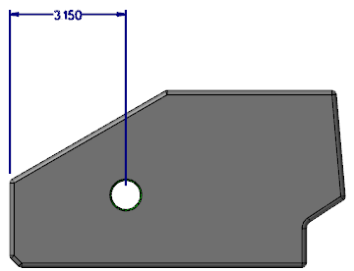
Damien McDaniel |  | Counter Bores |  |  | VMC |  | D-TK-3424-045 |  | 1.25 hrs
Part Setup Information
Axis | Program Datum |  |  | Machine Coordinates |  |  | Operator Initials |  | Date
X | SEE NOTE
Y | Center of part
Z | Top of green surface
Top
A/B | N/A
W | N/A
Fixture | Vise |  |  | Fixturing Notes | Front stays front / Atleast 2.5" out of vise
Program Adjustments
Program Name |  | Adjustments Made |  |  |  |  |  | Date & Time |  | Initials
Front view for X datum only!! Use gauge pin to find center of thru hole in X then move the distance provided to set X ZERO. Verify distance with print!

Compensation Programs
Order | Program Name |  |  |  | Tool # | Per Side Comp. |  | Date & Time |  | Initials
1
2
3
4 |  |  |  |  |  |  |  |  |  |  | FRONT
5
Tooling Information |  |  |  |  |  |  |  |  |  |  |  |  | Tool Setup
Tool # | Description |  |  |  | Corner | Stickout | Runout Req. |  | Holder Type |  | Cooling | Runtime | Notes | Preset | Runout | Initials | Date
50 | .500" Solid Bull Endmill |  |  |  | .06r | 2.5" | N/A |  | Collet |  | Flood Coolant | 54 min
13 | ø1/2" Millstar / OSG Bullmill |  |  |  | .015r | 3" | .002 |  | Collet / Shrinkfit |  | Flood Coolant | 18 min

General Notes |  |  |  |  |  |  |  |  |  |  |  |  |  | Request Assistance |  | Program Feedback
We are cutting the holes to size before heat treat so measure them!

FRM-PRD-33 - Rev. A |  |  | import_test |  |  |  |  |  |  |  |  |  |  |  | 26-0099

Primary Operation 5
Primary Operation 5

Program Information |  |  |  |  |  |  |  |  |  |  | Part Setup View
Engineer |  | Operation Description |  |  | Machine Type |  | Program Name |  | Operation Runtime |  | 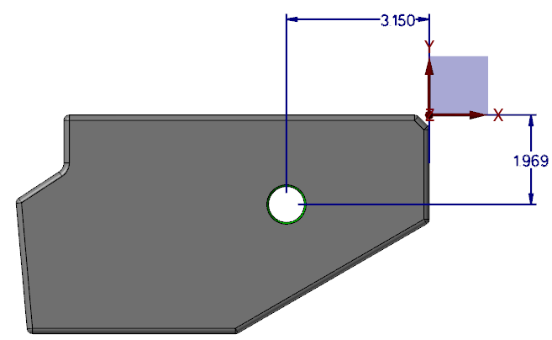
Damien McDaniel |  | Post Heat treat side 1 finish |  |  | VMC |  | E-TK-3424-045 |  | 2.5 hrs
Part Setup Information
Axis | Program Datum |  |  | Machine Coordinates |  |  | Operator Initials |  | Date
X | Right Edge SEE NOTE
Y | Top Edge SEE NOTE
Z | Top after decking half of stock
A/B | N/A
W | N/A
Fixture | Vise |  |  | Fixturing Notes | Orient as shown / Atleast 1.65" out of vise
Program Adjustments
Program Name |  | Adjustments Made |  |  |  |  |  | Date & Time |  | Initials

Swing to find center of thru hole and then move the distances provided to set your X and Y. Double check locations to the print

Compensation Programs
Order | Program Name |  |  |  | Tool # | Per Side Comp. |  | Date & Time |  | Initials
1 | DIM7COMP-DRY |  |  |  | 70 | 0 |  | 3 min
2 | DIM7COMP-001 |  |  |  | 70 | 0.001 |  | 3 min
3 | DIM7COMP-002 |  |  |  | 70 | 0.002 |  | 3 min
4 | DIM7COMP-003 |  |  |  | 70 | 0.003 |  | 3 min |  |  | FRONT
5 | DIM7COMP-004 |  |  |  | 70 | 0.004 |  | 3 min
Tooling Information |  |  |  |  |  |  |  |  |  |  |  |  | Tool Setup
Tool # | Description |  |  |  | Corner | Stickout | Runout Req. |  | Holder Type |  | Cooling | Runtime | Notes | Preset | Runout | Initials | Date
17 | ø1" Millstar / OSG Bullmill |  |  |  | .06r | 4.2" | .002 |  | Collet / Shrinkfit |  | Flood Coolant | 2.25 hrs
71 | .360" Solid Garr Bull Endmill |  |  |  | .03r | 2.2" | N/A |  | Collet |  | Flood Coolant | 5 min
70 | .499" Solid Garr Bull Endmill |  |  |  | .03r | 3" | N/A |  | Collet |  | Flood Coolant | 11 min
Note Box

General Notes |  |  |  |  |  |  |  |  |  |  |  |  |  | Request Assistance |  | Program Feedback

FRM-PRD-33 - Rev. A |  |  | import_test |  |  |  |  |  |  |  |  |  |  |  | 26-0099

Primary Operation 6
Primary Operation 6

Program Information |  |  |  |  |  |  |  |  |  |  | Part Setup View
Engineer |  | Operation Description |  |  | Machine Type |  | Program Name |  | Operation Runtime |  | 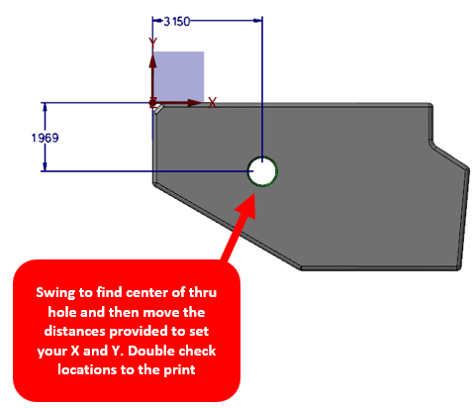
Damien McDaniel |  | Post heat treat side 2 finish |  |  | VMC |  | F-TK-3424-045 |  | .5 hrs
Part Setup Information
Axis | Program Datum |  |  | Machine Coordinates |  |  | Operator Initials |  | Date
X | Left Edge SEE NOTE
Y | Top Edge SEE NOTE
Z | Top after decking to thickness
A/B | N/A
W | N/A
Fixture | Vise |  |  | Fixturing Notes | Front stays front / Atleast .5" out of vise
Program Adjustments
Program Name |  | Adjustments Made |  |  |  |  |  | Date & Time |  | Initials

Compensation Programs
Order | Program Name |  |  |  | Tool # | Per Side Comp. |  | Date & Time |  | Initials
1
2
3
4 |  |  |  |  |  |  |  |  |  |  | FRONT
5
Tooling Information |  |  |  |  |  |  |  |  |  |  |  |  | Tool Setup
Tool # | Description |  |  |  | Corner | Stickout | Runout Req. |  | Holder Type |  | Cooling | Runtime | Notes | Preset | Runout | Initials | Date
17 | ø1" Millstar / OSG Bullmill |  |  |  | .06r | 4.2" | .002 |  | Collet / Shrinkfit |  | Flood Coolant | .5 hrs
71 | .360" Solid Garr Bull Endmill |  |  |  | .03r | 2.2" | N/A |  | Collet |  | Flood Coolant | 2 min
19 | ø.315 Mitubishi Chamfer Mill |  |  |  | N/A | 1.5" | N/A |  | Weldon / Collet |  | Air Blast | 1 min
Note Box

General Notes |  |  |  |  |  |  |  |  |  |  |  |  |  | Request Assistance |  | Program Feedback

FRM-PRD-33 - Rev. A |  |  | import_test |  |  |  |  |  |  |  |  |  |  |  | 26-0099

